Introduction
Area profile report

Target Area: | Cornwall
Base Area: | England
Date: | 30/01/2015

Your target area

This document contains data about the population within your target area (Cornwall), compared to the population of your base area (England). The extent of your target area is shown in the map below.
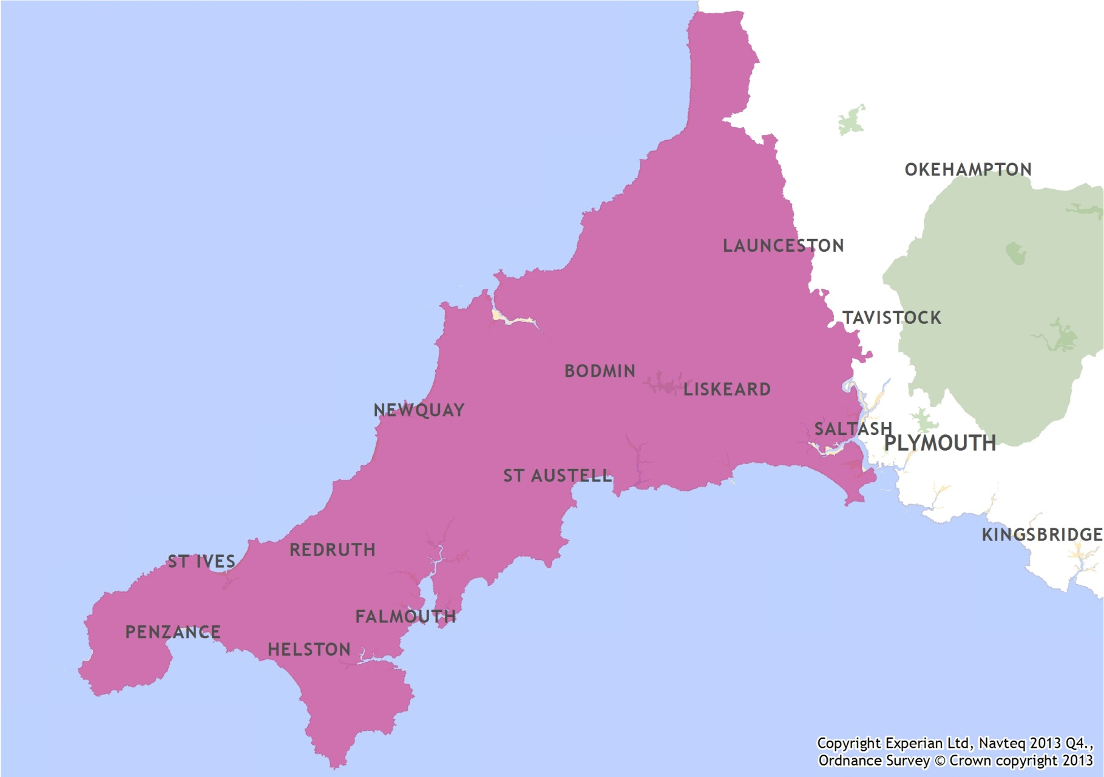

Data by postal sector

The data provided at postal sector level contained within the “Counts” and “Percentages” tabs relate to the whole population living within each postal sector. This means that even if a postal sector is only partially within your target area, data for the entire postal sector is included in the table - not just those who live within you target area. The following map shows the outline of your target area and all of the postal sectors which either completely or partially fall within this area.
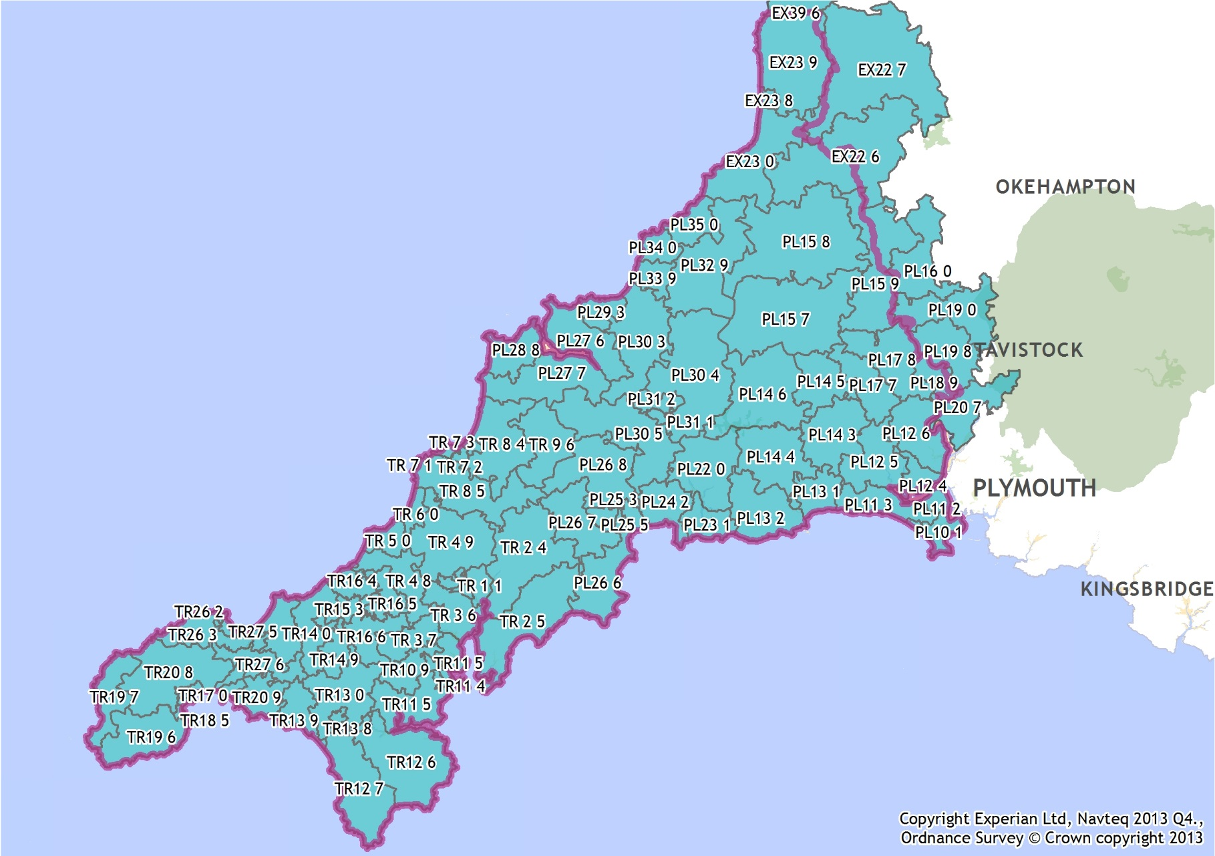

Data sources

This report includes the following data about your target area:

Segmentation
Audience Spectrum
Mosaic Group

Arts attendance (from the Target Group Index survey)
Performances attended in last year
Outings in last year
Visits to cinemas

Demographics (from the 2011 Census, for England and Wales only)
Population totals
Gender
Age
Ethnic group
Long-term health problem or disability
Families with dependent children
Approximated social grade
Economic activity
Occupation
Economic inactivity
Highest qualification level
Newspaper readership

Further information

If you have any questions about your Area Profile Report, please email research@theaudienceagency.org

Segmentation
Audience Spectrum and Mosaic profile

Audience Spectrum profile

Audience Spectrum segment (adults 15+) | Cornwall |  | England |  | Index
 | Count | % | Count | %
Metroculturals | 237 | 0% | 2,012,036 | 5% | 1
Commuterland Culturebuffs | 18,509 | 4% | 5,219,556 | 12% | 34
Experience Seekers | 14,971 | 3% | 3,412,865 | 8% | 42
Dormitory Dependables | 81,329 | 18% | 7,242,562 | 17% | 109
Trips & Treats | 124,086 | 28% | 7,429,103 | 17% | 162
Home & Heritage | 99,306 | 22% | 3,854,732 | 9% | 250
Up Our Street | 40,278 | 9% | 3,069,965 | 7% | 127
Facebook Families | 42,914 | 10% | 5,482,384 | 13% | 76
Kaleidoscope Creativity | 4,257 | 1% | 4,276,731 | 10% | 10
Heydays | 25,054 | 6% | 1,680,787 | 4% | 144
Unclassified | 0 | - | 4,006 | -
Adults 15+ estimate 2013 | 450,941 | 100% | 43,680,721 | 100% | 100
Please note: Audience Spectrum data is only available for areas within England, Wales and Scotland
Base totals and percentages do not include unclassified records

Audience Spectrum was launched in June 2014, and is an update to and replacement of Arts Audiences: Insight. For more information on Audience Spectrum, please see audiencefinder.org/spectrum.

If you require more information about how Audience Spectrum relates to Arts Audiences: Insight, please contact research@theaudienceagency.

Mosaic UK 2009 group profile

Mosaic group (adults 15+) | Cornwall |  | England |  | Index
 | Count | % | Count | %
A Alpha Territory | 1,528 | 0% | 1,617,568 | 4% | 9
B Professional Rewards | 16,363 | 4% | 4,040,247 | 9% | 39
C Rural Solitude | 104,244 | 23% | 1,770,296 | 4% | 568
D Small Town Diversity | 114,877 | 25% | 3,884,738 | 9% | 285
E Active Retirement | 53,965 | 12% | 1,630,032 | 4% | 320
F Suburban Mindsets | 17,933 | 4% | 5,856,191 | 13% | 30
G Careers and Kids | 8,345 | 2% | 2,468,699 | 6% | 33
H New Homemakers | 11,756 | 3% | 1,968,409 | 4% | 58
I Ex-Council Community | 42,182 | 9% | 3,871,750 | 9% | 105
J Claimant Cultures | 11,576 | 3% | 2,263,398 | 5% | 49
K Upper Floor Living | 2,253 | 0% | 2,074,998 | 5% | 10
L Elderly Needs | 15,339 | 3% | 1,354,512 | 3% | 109
M Industrial Heritage | 37,547 | 8% | 3,552,355 | 8% | 102
N Terraced Melting Pot | 11,027 | 2% | 3,585,200 | 8% | 30
O Liberal Opinions | 8,223 | 2% | 4,180,286 | 9% | 19
U Unclassified | 1,083 | - | 319,660 | -
Adults 15+ estimate 2013 | 457,158 | 100% | 44,118,679 | 100% | 100
Base totals and percentages do not include unclassified records

2014 Experian Ltd 2014 Experian Ltd, BMRB 2014 2014 Experian Ltd, Census output is Crown copyright and is reproduced with the permission of the Controller of HMSO and the Queen's Printer for Scotland 2014 Experian Ltd, Sources: 2011 Census Data: England and Wales - ONS, Scotland - NRS, N.Ireland - NISRA. Licenced under the Open Government Licence v2.0. Crown Copyright

Arts, Museums and Heritage
Arts, museums and heritage attendance

TGI - Leisure

Arts attendance
Attended in past 12 months (adults 15+) | Cornwall |  | England |  | Index
 | Count | % | Count | %
Art galleries | 121,008 | 26% | 12,610,511 | 28% | 93
Art gallery once a month or more | 4,832 | 1% | 590,871 | 1% | 79
Ballet | 37,059 | 8% | 4,565,130 | 10% | 79
Classical concerts | 59,564 | 13% | 6,755,306 | 15% | 86
Contemporary dance | 22,822 | 5% | 3,343,376 | 8% | 66
Jazz concerts | 38,762 | 8% | 4,282,814 | 10% | 88
Opera | 26,974 | 6% | 3,750,380 | 8% | 70
Plays | 137,890 | 30% | 14,653,299 | 33% | 91
Popular/rock concert | 155,705 | 34% | 17,788,171 | 40% | 85
Theatre | 207,036 | 45% | 20,332,381 | 46% | 99
Theatre once a month or more | 4,191 | 1% | 871,878 | 2% | 47
Adults 15+ estimate 2013 | 458,241 | 100% | 44,438,339 | 100% | 100

Museums and heritage attendance
Visited in past 12 months (adults 15+) | Cornwall |  | England |  | Index
 | Count | % | Count | %
Museums | 119,064 | 26% | 13,328,966 | 30% | 87
Archaeological sites | 47,945 | 10% | 3,535,033 | 8% | 132
Stately homes/castles | 80,776 | 18% | 9,930,060 | 22% | 79
Adults 15+ estimate 2013 | 458,241 | 100% | 44,438,339 | 100% | 100

Cinema visits
Cinema attendance (adults 15+) | Cornwall |  | England |  | Index
 | Count | % | Count | %
Ever go to the cinema | 286,756 | 63% | 31,331,667 | 71% | 89
Go every two or three months | 48,213 | 11% | 5,726,002 | 13% | 82
Go once or more a month | 38,892 | 8% | 5,902,240 | 13% | 64
Never go | 161,211 | 35% | 12,548,469 | 28% | 125
Adults 15+ estimate 2013 | 458,241 | 100% | 44,438,339 | 100% | 100
Note: TGI data is modelled from survey data to postcode sector level so it should be used as a broad indication of behaviour in these areas only

2014 Experian Ltd 2014 Experian Ltd, BMRB 2014 2014 Experian Ltd, Census output is Crown copyright and is reproduced with the permission of the Controller of HMSO and the Queen's Printer for Scotland 2014 Experian Ltd, Sources: 2011 Census Data: England and Wales - ONS, Scotland - NRS, N.Ireland - NISRA. Licenced under the Open Government Licence v2.0. Crown Copyright

Demographics
Demographics

2011 Census: General Demographics

Population estimates | Cornwall |  | England |  | Index
 | Count | % | Count | %
Adults 15+ estimate 2013 | 458,241 | 100% | 44,438,339 | 100% | N/A
Household estimate 2013 | 235,537 | 100% | 22,488,461 | 100% | N/A
Population estimate 2013 | 543,185 | 100% | 53,971,077 | 100% | N/A

Population and households

Gender
Gender (all usual residents) | Cornwall |  | England |  | Index
 | Count | % | Count | %
Males | 257,805 | 48% | 26,069,148 | 49% | 98
Females | 274,468 | 52% | 26,943,308 | 51% | 101
All usual residents | 532,274 | 100% | 53,012,456 | 100% | 100

Age structure
Age group (all usual residents) | Cornwall |  | England |  | Index
 | Count | % | Count | %
Age 0 - 4 | 27,366 | 5% | 3,318,449 | 6% | 82
Age 5 - 9 | 26,073 | 5% | 2,972,632 | 6% | 87
Age 10 - 14 | 29,972 | 6% | 3,080,929 | 6% | 97
Age 15 | 6,530 | 1% | 650,826 | 1% | 100
Age 16 - 17 | 12,575 | 2% | 1,314,124 | 2% | 95
Age 18 - 19 | 12,695 | 2% | 1,375,315 | 3% | 92
Age 20 - 24 | 28,357 | 5% | 3,595,321 | 7% | 79
Age 25 - 29 | 26,373 | 5% | 3,650,881 | 7% | 72
Age 30 - 34 | 26,702 | 5% | 3,509,221 | 7% | 76
Age 35 - 39 | 30,276 | 6% | 3,549,116 | 7% | 85
Age 40 - 44 | 36,620 | 7% | 3,885,934 | 7% | 94
Age 45 - 49 | 38,486 | 7% | 3,879,815 | 7% | 99
Age 50 - 54 | 36,853 | 7% | 3,400,095 | 6% | 108
Age 55 - 59 | 35,543 | 7% | 2,996,992 | 6% | 118
Age 60 - 64 | 42,611 | 8% | 3,172,277 | 6% | 134
Age 65 - 69 | 35,224 | 7% | 2,508,154 | 5% | 140
Age 70 - 74 | 26,543 | 5% | 2,044,129 | 4% | 129
Age 75 - 79 | 21,397 | 4% | 1,669,345 | 3% | 128
Age 80 - 84 | 16,349 | 3% | 1,258,773 | 2% | 129
Age 85+ | 15,728 | 3% | 1,180,128 | 2% | 133
All usual residents | 532,274 | 100% | 53,012,456 | 100% | 100

Ethnic group
Ethnic group - overview (all usual residents) | Cornwall |  | England |  | Index
 | Count | % | Count | %
White | 522,849 | 98% | 45,281,142 | 85% | 115
Mixed/multiple ethnic group | 4,400 | 1% | 1,192,879 | 2% | 37
Asian/Asian British | 3,434 | 1% | 4,143,403 | 8% | 8
Black/Black British | 762 | 0% | 1,846,614 | 3% | 4
Other | 829 | 0% | 548,418 | 1% | 15
All usual residents | 532,274 | 100% | 53,012,456 | 100% | 100

Health
Long-term health problem or disability (all usual residents) | Cornwall |  | England |  | Index
 | Count | % | Count | %
Day-to-day activities limited a lot | 53,166 | 10% | 4,405,394 | 8% | 120
Day-to-day activities limited a little | 60,549 | 11% | 4,947,192 | 9% | 122
Day-to-day activities not limited | 418,558 | 79% | 43,659,870 | 82% | 95
All usual residents | 532,274 | 100% | 53,012,456 | 100% | 100

Families with dependent children
Household family status (all families in households) | Cornwall |  | England |  | Index
 | Count | % | Count | %
No dependent children in family | 100,180 | 63% | 8,476,581 | 57% | 111
Any dependent children in family | 58,506 | 37% | 6,408,564 | 43% | 86
Dependent children in family, youngest aged 0 to 4 | 21,343 | 13% | 2,587,660 | 17% | 77
Dependent children in family, youngest aged 5 to 11 | 18,906 | 12% | 2,015,175 | 14% | 88
Dependent children in family, youngest aged 12 to 18 | 18,257 | 12% | 1,805,729 | 12% | 95
All families in households | 158,686 | 100% | 14,885,145 | 100% | 100

Approximated social grade
Approximated social grade (all Household reference persons aged 16 to 64) | Cornwall |  | England |  | Index
 | Count | % | Count | %
AB | 28,469 | 18% | 3,751,684 | 23% | 80
C1 | 44,497 | 29% | 5,051,687 | 31% | 93
C2 | 42,278 | 27% | 3,372,058 | 21% | 132
DE | 40,047 | 26% | 4,164,424 | 25% | 101
All Household Reference Persons aged 16 to 64 | 155,291 | 100% | 16,339,853 | 100% | 100

Employment and qualifications

Economic activity
Economically active | Cornwall |  | England |  | Index
 | Count | % | Count | %
Employed or self-employed: all | 235,986 | 91% | 24,143,464 | 89% | 102
Employee: Part-time | 59,778 | 23% | 5,333,268 | 20% | 117
Employee: Full-time | 123,195 | 47% | 15,016,564 | 55% | 86
Self-employed with employees: Part-time | 1,967 | 1% | 148,074 | 1% | 139
Self-employed with employees: Full-time | 10,229 | 4% | 715,271 | 3% | 150
Self-employed without employees: Part-time | 14,046 | 5% | 990,573 | 4% | 149
Self-employed without employees: Full-time | 26,771 | 10% | 1,939,714 | 7% | 145
Unemployed | 12,694 | 5% | 1,702,847 | 6% | 78
Full-time student | 10,804 | 4% | 1,336,823 | 5% | 85
Economically active: Total | 259,484 | 100% | 27,183,134 | 100% | 100

Occupation
Occupation type (All usual residents aged 16 to 74 in employment) | Cornwall |  | England |  | Index
 | Count | % | Count | %
Managers, directors and senior officials | 27,985 | 11% | 2,734,900 | 11% | 105
Professional occupations | 33,767 | 14% | 4,400,375 | 17% | 79
Associate professional and technical occupations | 25,455 | 10% | 3,219,067 | 13% | 81
Administrative and secretarial occupations | 23,320 | 10% | 2,883,230 | 11% | 83
Skilled trades occupations | 41,511 | 17% | 2,858,680 | 11% | 149
Caring, leisure and other service occupations | 25,798 | 11% | 2,348,650 | 9% | 113
Sales and customer service occupations | 20,094 | 8% | 2,117,477 | 8% | 98
Process, plant and machine operatives | 17,369 | 7% | 1,808,024 | 7% | 99
Elementary occupations | 29,228 | 12% | 2,792,318 | 11% | 108
All usual residents aged 16 to 74 in employment | 244,527 | 100% | 25,162,721 | 100% | 100

Economically inactive
Economically inactive | Cornwall |  | England |  | Index
 | Count | % | Count | %
Retired | 73,605 | 57% | 5,320,691 | 45% | 125
Student (including full-time students) | 16,726 | 13% | 2,255,831 | 19% | 67
Looking after home or family | 15,517 | 12% | 1,695,134 | 14% | 83
Long-term sick or disabled | 16,980 | 13% | 1,574,134 | 13% | 98
Other | 6,546 | 5% | 852,450 | 7% | 69
Economically inactive: Total | 129,374 | 100% | 11,698,240 | 100% | 100

Highest qualification level
Highest qualification achieved (All usual residents aged 16 and over) | Cornwall |  | England |  | Index
 | Count | % | Count | %
No qualifications | 99,237 | 22% | 9,656,810 | 22% | 100
Level 1 (e.g. GCSEs graded D-G, Foundation diploma) | 59,206 | 13% | 5,714,441 | 13% | 101
Level 2 (e.g. GCSEs graded A*-C, Higher diploma) | 76,782 | 17% | 6,544,614 | 15% | 114
Apprenticeship | 20,102 | 5% | 1,532,934 | 4% | 127
Level 3 (e.g. AS and A Levels, Advanced and Progression diploma) | 57,917 | 13% | 5,309,631 | 12% | 106
Level 4 and above (e.g. Higher Education and Higher diplomas) | 110,518 | 25% | 11,769,361 | 27% | 91
Other qualifications | 18,570 | 4% | 2,461,829 | 6% | 73
All usual residents aged 16 and over | 442,332 | 100% | 42,989,620 | 100% | 100
Please note: Apprenticeship data is not counted as a separate variable for areas within Scotland

For more information about the classifications given above, please see the Ofqual website: http://ofqual.gov.uk/qualifications-and-assessments/qualification-frameworks/levels-of-qualifications/

TGI Media

National newspapers looked at yesterday (dailies)
Daily newspapers read (Adults 15+ estimate 2013) | Cornwall |  | England |  | Index
 | Count | % | Count | %
Daily Express | 10,323 | 2% | 1,035,445 | 2% | 97
Daily Mail | 35,400 | 8% | 3,845,020 | 9% | 89
Daily Mirror | 23,248 | 5% | 2,711,104 | 6% | 83
Daily Record | 116 | 0% | 122,326 | 0% | 9
Daily Star | 5,014 | 1% | 1,148,720 | 3% | 42
Daily Telegraph | 21,560 | 5% | 1,292,928 | 3% | 162
Financial Times | 409 | 0% | 305,549 | 1% | 13
The Guardian | 5,949 | 1% | 1,002,634 | 2% | 58
The Independent | 1,993 | 0% | 451,438 | 1% | 43
The Sun | 51,206 | 11% | 5,826,567 | 13% | 85
The Times | 10,268 | 2% | 1,219,617 | 3% | 82
i (newspaper) | 6,922 | 2% | 553,757 | 1% | 121
Adults 15+ estimate 2013 | 458,241 | 100% | 44,438,339 | 100% | 100

2014 Experian Ltd 2014 Experian Ltd, BMRB 2014 2014 Experian Ltd, Census output is Crown copyright and is reproduced with the permission of the Controller of HMSO and the Queen's Printer for Scotland 2014 Experian Ltd, Sources: 2011 Census Data: England and Wales - ONS, Scotland - NRS, N.Ireland - NISRA. Licenced under the Open Government Licence v2.0. Crown Copyright

